In-Class Example (75X)
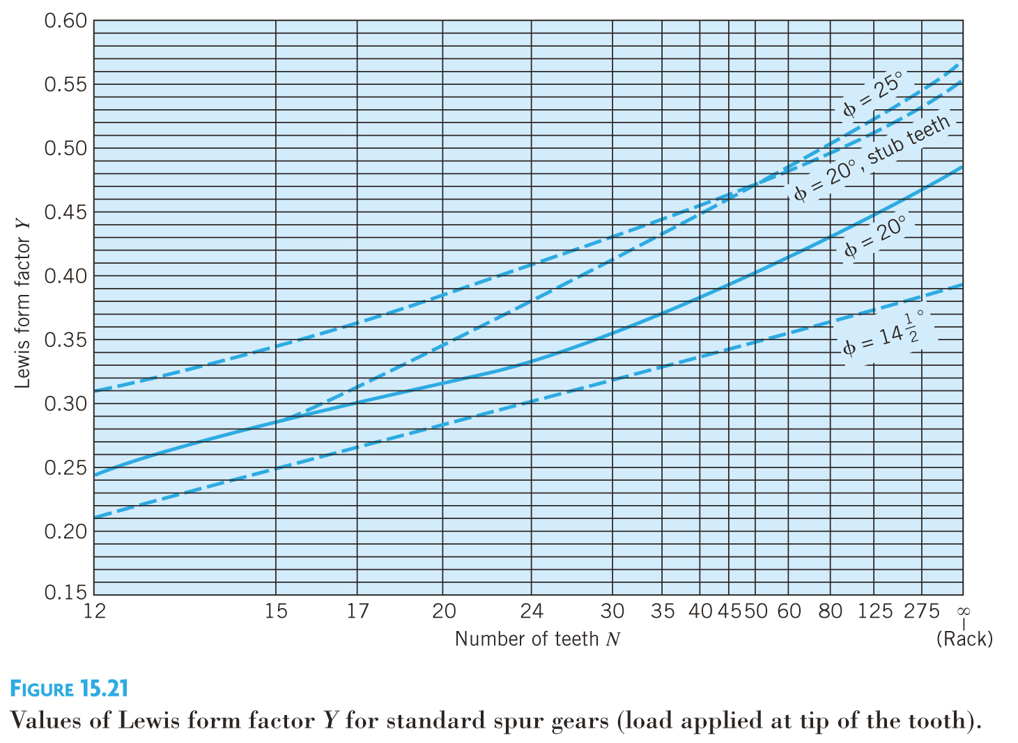
Gearbox | a | b | c | d | e | f
m (mm) | 2 | 2 | 2 | 2 | 3 | 3 | *Choose
Teeth | 20 | 70 | 20 | 90 | 20 | 81 | *Choose
d (mm) | 40 | 140 | 40 | 180 | 60 | 243
b (mm) | 6 | 6 | 6 | 6 | 9 | 9 | *Choose
rpm | 1500 | 428.57142857 | 428.57142857 | 95.238095238 | 95.238095238 | 23.515579071 | Reduction = | 63.7875
Contact Angle | 20 | 20 | 20 | 20 | 20 | 20
Efficiency | 1 | 0.75 | 1 | 0.75 | 1 | 0.75 | *Choose
T (Nm) | 0.74320842496 | 1.9509221155 | 1.9509221155 | 6.5843621399 | 6.5843621399 | 20
W (w) | 116.74653235 | 87.559899265 | 87.559899265 | 65.669924449 | 65.669924449 | 49.252443337
V (m/s) | 3.1415926536 | 3.1415926536 | 0.89759790103 | 0.89759790103 | 0.29919930034 | 0.29919930034
Ft (N) | 37.161575426 | 27.871181569 | 97.549135493 | 73.16185162 | 219.48555486 | 164.61416614
Fr (N) | 13.525707313 | 10.144280485 | 35.504981698 | 26.628736273 | 79.88620882 | 59.914656615
Y | 0.315 | 0.42 | 0.315 | 0.435 | 0.315 | 0.43 | *Must be read from graph
Sigma (MPa) | 9.83110461 | 5.5299963431 | 25.806649601 | 14.015680387 | 25.806649601 | 14.178653415
Sy (MPa) | 60 | 60 | 60 | 60 | 60 | 60 | *Choose
FOS | 6.1030781769 | 10.849916759 | 2.3249821626 | 4.2809195375 | 2.3249821626 | 4.2317135658

